8641-588
Measuring Instrument Verification Record
Company name: Mano Engineering LLC |  |  | Inspector: KK
Part No. | A | B | Remark
1 | 40 | 84.72
2 | 40.4 | 84.79
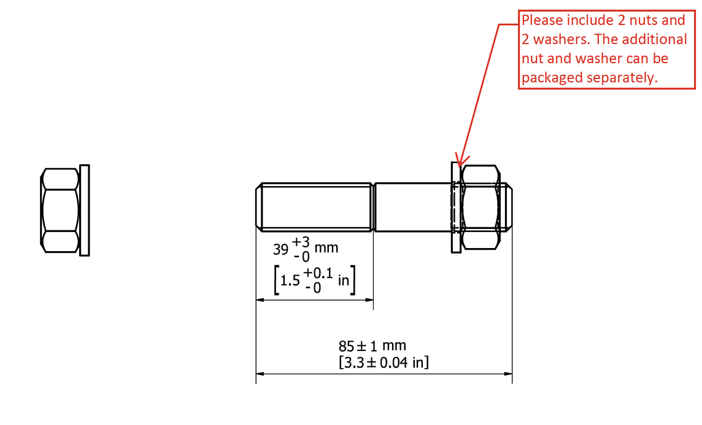

A

B

